Q1
 |  | Residential
 | Clerk | Residential Review (<$1K) | Residential Review (>$1K) | Commercial Applications | Electrician | Approval
Number of Employees | 5 | 12 | 15 | 20 | 24 | 8
Application Processing Time (minutes) | 10 | 30 | 45 | 90 | 60 | 10
Hours per Day | 8 | 8 | 8 | 4 | 5 | 3
Rate of rejection | 10% | 60% | 50% | 10% | 15% | 5%
Capacity (Applications/day) Capacity = (Number of Emplyees/Hours per day*60(for the hour)) / Processing Time (min) | 240 | 192 | 160 | 53.333333333 | 120 | 144

 |  | Residential
 | Clerk | Residential Review (<$1K) | Residential Review (>$1K) | Commercial Applications | Electrician | Approval
Bottleneck | 240 | 192 | 160 | 53.333333333 | 120 | 144
Our solution suggests there is a bottleneck for the whole process. Consequently, the firm’s capacity is 54 contracts per day.

Applications | 200

 |  | Residential
 | Clerk | Residential Review (<$1K) | Residential Review (>$1K) | Commercial Applications | Electrician | Approval
Flow Rate | 200 | 72 | 48 | 80 | 124.8 | 106.08
Accepted Applications | 180 | 28.8 | 24 | 72 | 106.08 | 100.776

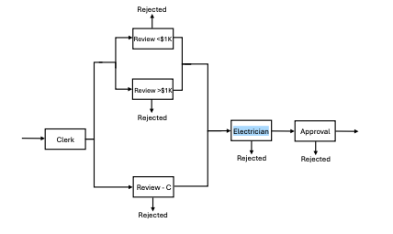
Utilization = Flow Rate of Electricians (Before Rejection) / Electrician Capacity | 104%

For utilization we will need to look at the number of applications reaching the electrician stage before rejection.
Utilization is based on how much work the electricians are tasked to handle relative to their capacity. In this case, the utilization of electrician is 1.04
This means that the demand exceeds capacity and electricians are over utilized and could cause a backlog of work.

Q2
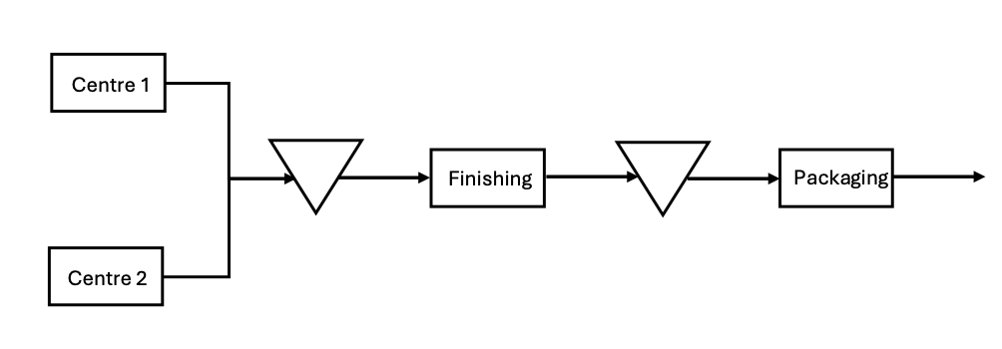
Machining Center | Unit Processing Time (minutes) | Hubs per Hour | Maintenance Time (Hours) | Hubs per Batch (before maintenance)
Center 1 | 5 | 12 | 0.5 | 6
Center 2 | 5 | 12 | 0.5 | 6
Finishing | 4 | 15
Packaging | 2 | 30

Each machining center should produce a batch of 6 hubs before stopping for maintenance.
This strategy ensures that while one center is undergoing maintenance for 30 minutes, the other continues to produce hubs, maintaining a balanced workflow and minimizing inventory levels.

Machining Center | Units Processed | Unit Originial Processing Time (minutes) | Unit New Processing Time (minutes) | Total Processing Time | Maintanance Time | Through Rate
Center 1 | 10 | 5 | 3 | 30 | 30 | 60
Center 2 | 40 | 5 | 6 | 240 | 240 | 480
Finishing | 50 | 4 | 4 | 200 | 0 | 200
Packaging | 50 | 2 | 2 | 100 | 0 | 100

Unit Processed = processing time puer unit/ Total Maintanance Time
Unit Processed = | 40 |  |  |  |  |  | 72

